시제품_Pulse
각 mode 별 Pulse 출력
 | 1. BS mode |  |  |  |  | 2. WS mode |  |  | 3. RS mode
 |  | 1) CH1 기본파 |  |  |  |  | 1) CH1 기본파 |  |  | 1) CH1 기본파
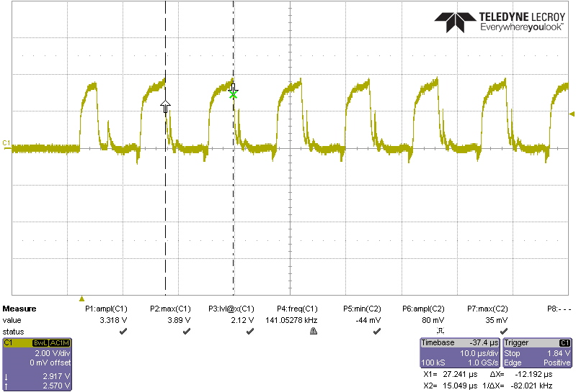
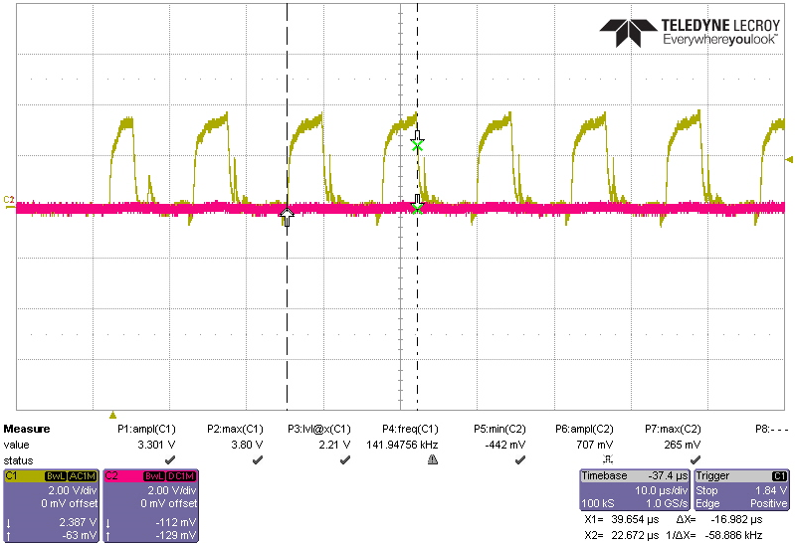
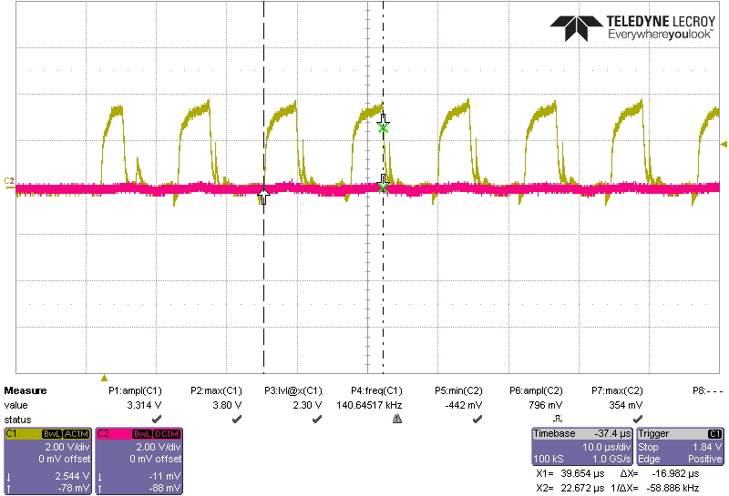

 |  | 2) CH1, CH2 delay time
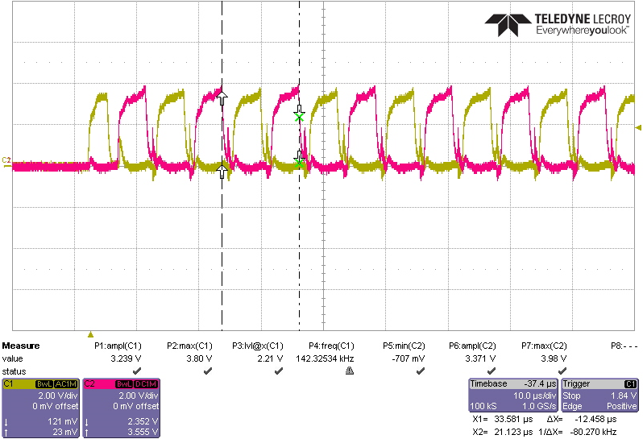

 |  | 3) 1'st 구간 On time |  |  |  |  | 3) 1'st 구간 On time |  |  | 3) 1'st 구간 On time
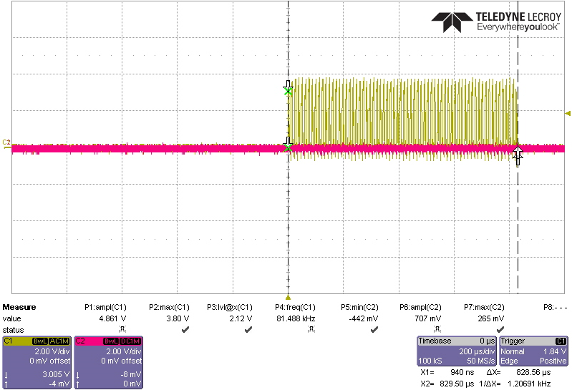
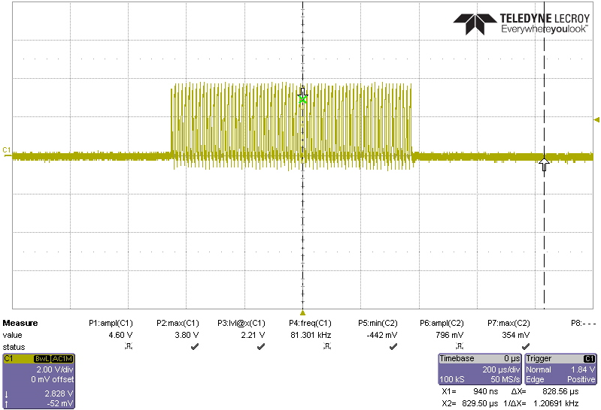
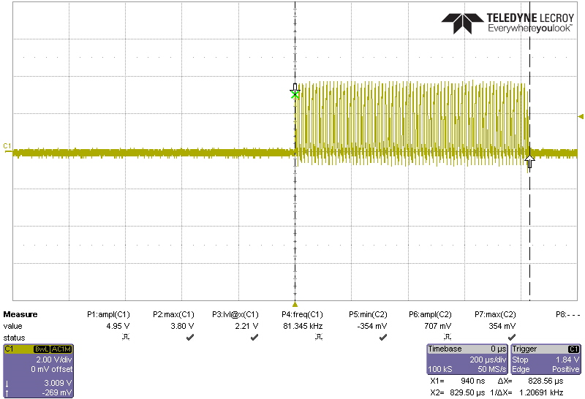

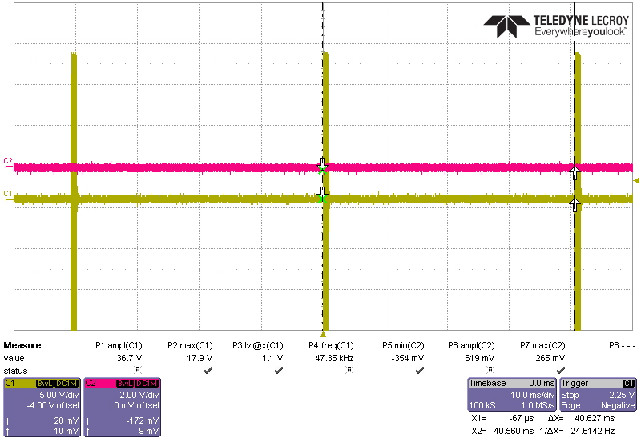
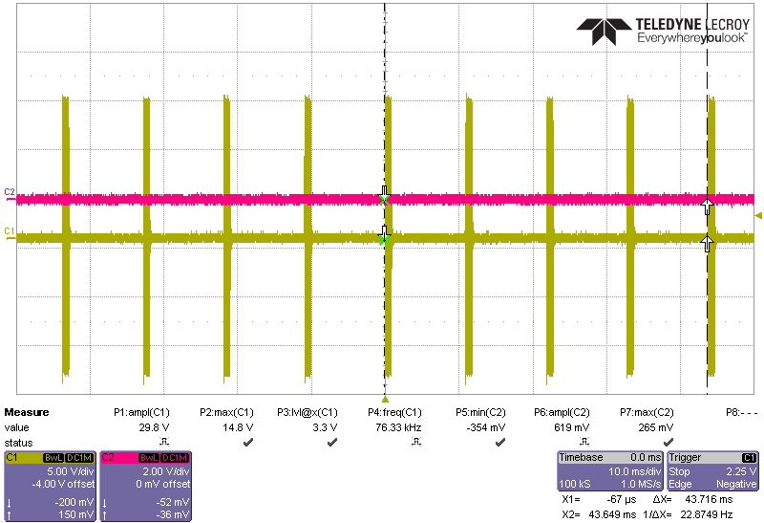
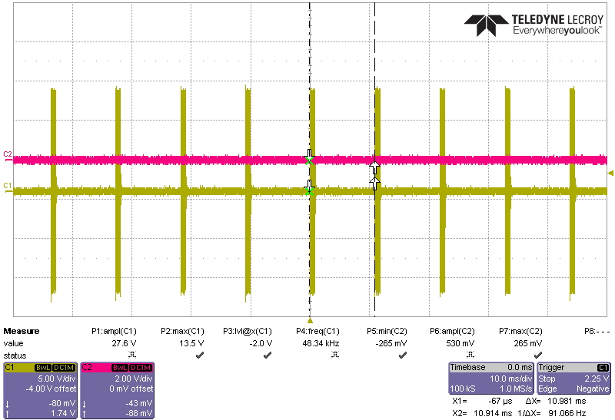


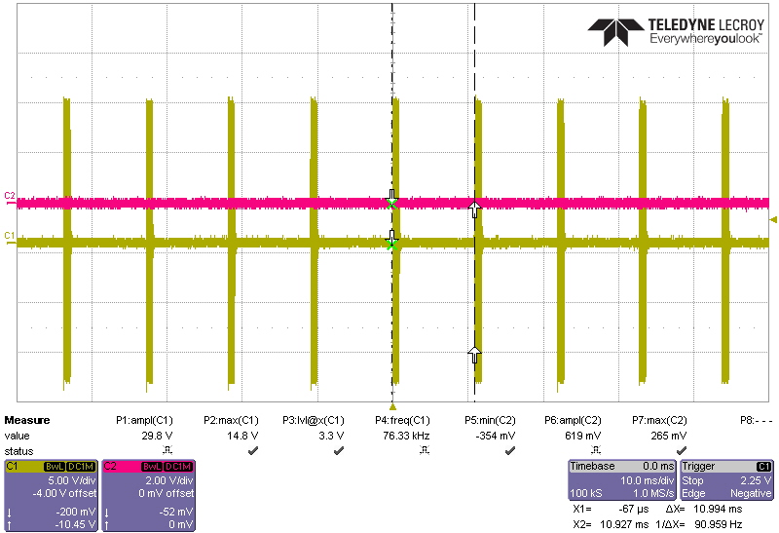

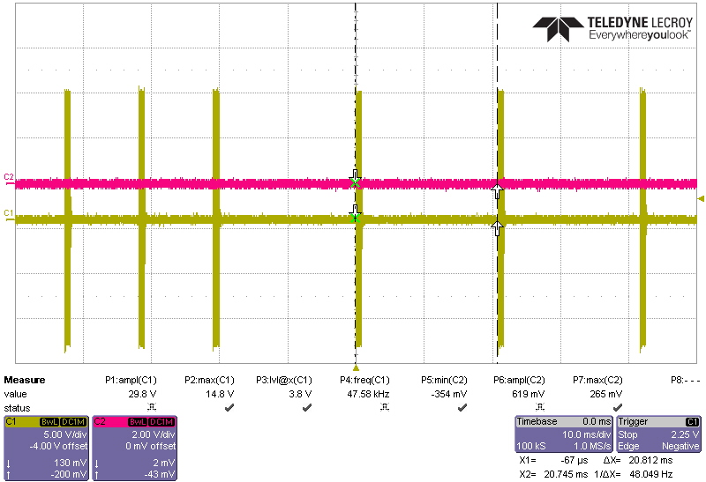



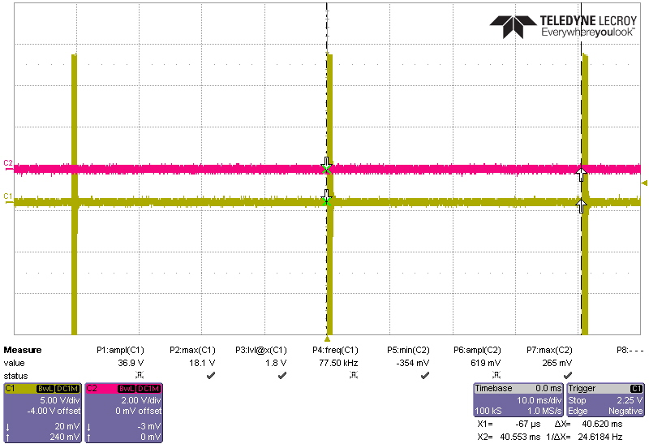

 | 2. Frequency
 |  | Mode | 기본파 [KHz] | 1'st 구간 On time [usec] | 1차 구간 Time gap [msec] | 2차 구간 Time gap [msec] |  | 3차 구간 Time gap [msec]
 |  | BS | 80 | 829.5 | 20 | 40
 |  | WS | 80 | 829.5 | 10 | 20
 |  | RS | 80 | 829.5 | 10

 |  |  | 0.0125 | msec
 |  |  | 12.5 | usec
 |  |  | 66.36 | pulse

Buzzer
 |  | On
 |  | 1000 | Hz

 |  | 400 | Hz

Boost
Boost
 |  |  | Vin |  | Vout |  | Iout[mA] |  | Iout=100mA | Efficiency[%] |  | Protection |  |  | Package | Size
 |  |  | Min | Max | Min | Max | Min | typ | Vin=3.3V | Min | Max | Short Circuit | Over-Voltage | Thermal Shutdown
 | TLV61046ADBVR | TI | 1.8 | 5.5 | 3.3 | 28 | - | 980 | 82 |  | 85 | OK | OK | OK | SOT23-6 | 2.9x1.6
 | LM27313 | TI | 2.7 | 14 | - | 30 | 800 | 1250 | 78 |  |  | OK | - | OK | SOT23-5 | 2.9x1.6
 | LM2735XMF | TI | 2.7 | 5.5 | 3 | 24 | 2100 | 3000 | 86 |  |  | OK | - | OK | SOT23-5 | 2.9x1.6

TLV61046ADBVR
 | The TLV61046A has an internal default 12-V output voltage setting by connecting the FB pin to the VIN pin.
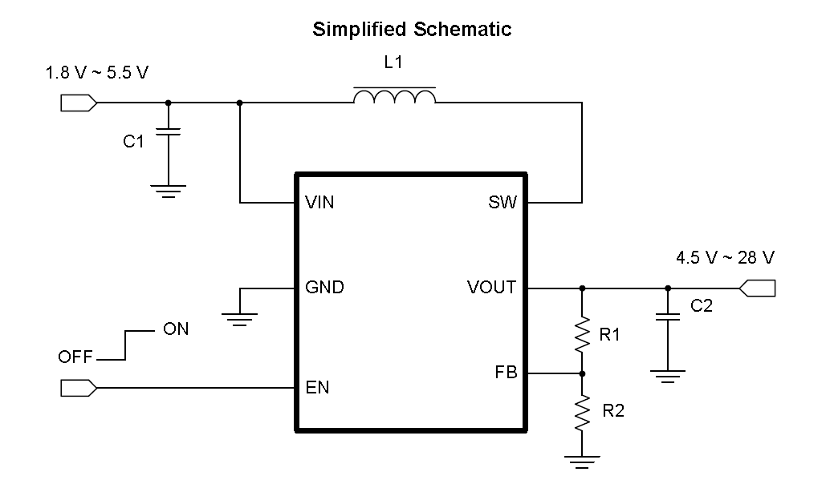
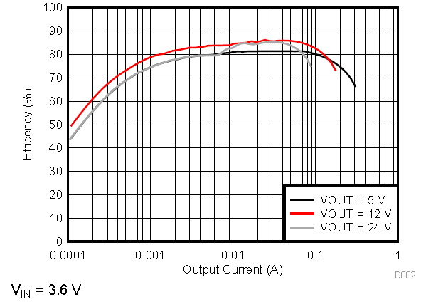

LM27313
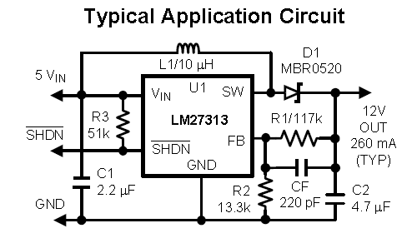
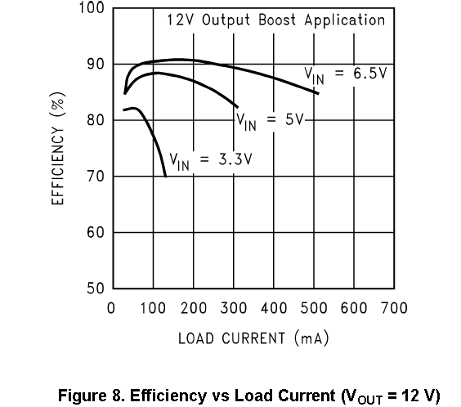

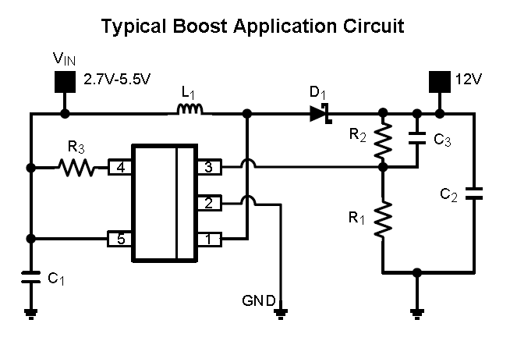
LM2735XMF

 |  |  |  |  |  |  |  | Vout | 8 | V
 |  |  |  |  |  |  |  | Vref | 1.255 | V
 |  |  |  |  |  |  |  | R1 | 1 | KΩ
 |  |  |  |  |  |  |  | R2 | 5.374501992 | KΩ
 |  |  |  |  |  |  |  | Fzero | 5 | KHz
 |  |  |  |  |  |  |  | C3 | 5.9255971633 | nF

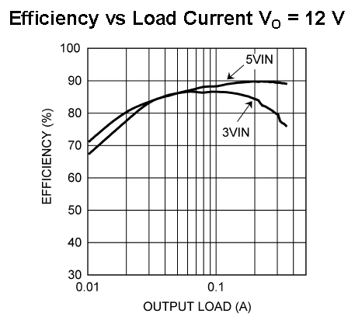

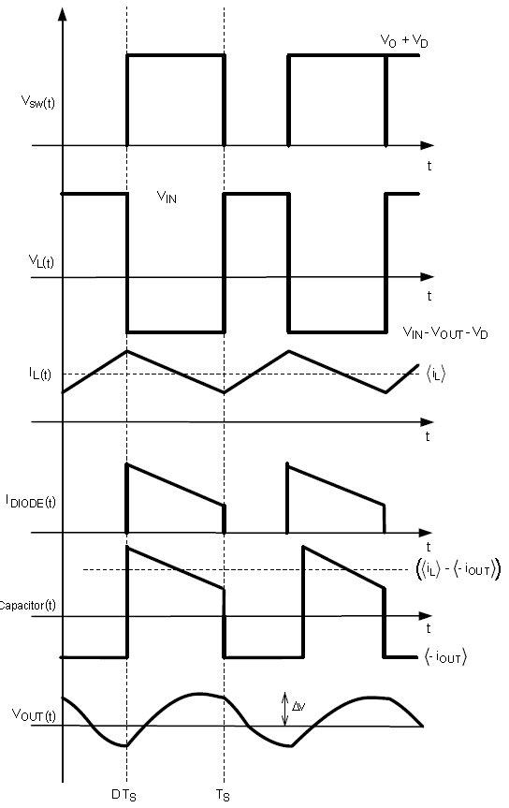

 | switching frequency : 520 kHz or 1.6 MHz
 | current-mode control
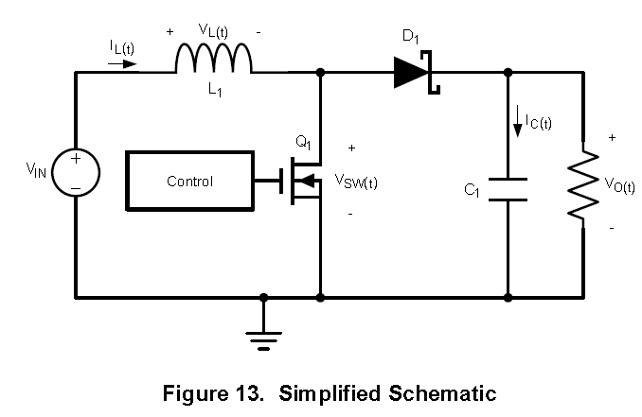

 | Control Logic이 High 인경우, Device shotdown됨 : EN=Low, Thermal=High, Vin<2.3V, I_limit=High

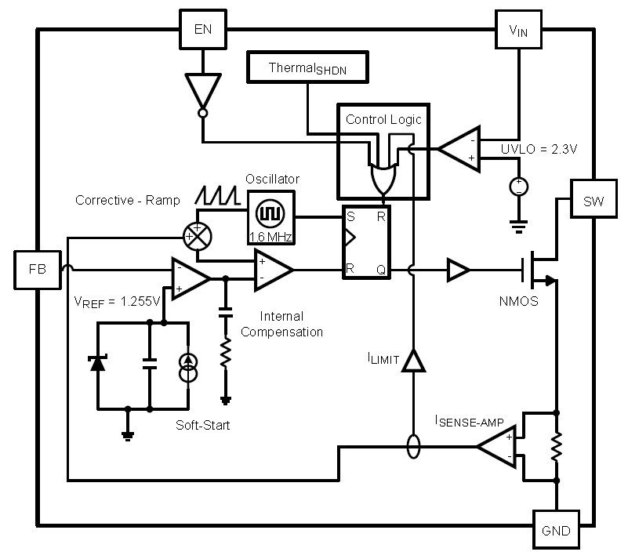

 | Vin | 5 | 5 | 3.3 | 3.3 | 3.3 | 3.3 | 3.3 | 3.3 | LM2735Y (520 kHz)
 | Vout | 12 | 12 | 12 | 12 | 5 | 5 | 20 | 20 | LM2735X (1.6 MHz)
 | Iout | 350 | 350 | 350 | 350 | 500 | 750 | 100 | 100
 | LM2735 Type | X | Y | X | Y | X | Y | X | Y
 | C1, Input Capacitor | 22 | 22 | 22 | 22 | 10 | 22 | 22 | 22 | uF, 6.3V, X5R
 | C2 Output Capacitor | 10 | 10 | 10 | 10 | 10 | 22 | 4.7 | 10 | uF, 25V, X5R
 | C3 Comp Capacitor | 330 | 330 | 330 | 330 | 1000 | 1000 | 470 | 470 | pF
 | D1, Catch Diode | STPS120M | STPS120M | STPS120M | STPS120M | STPS120M | STPS120M | STPS120M | STPS120M | 0.4 Vf Schottky 1 A, 20 VR
 | L1 | 15 | 33 | 6.8 | 15 | 10 | 22 | 10 | 33 | μH 1.5 A
 | R1 | 10.2 | 10.2 | 10.2 | 10.2 | 10 | 10 | 10 | 10 | kΩ, 1%
 | R2 | 86.6 | 86.6 | 86.6 | 86.6 | 30.1 | 30.1 | 150 | 150 | kΩ, 1%
 | R3 | 100 | 100 | 100 | 100 | 100 | 100 | 100 | 100 | kΩ, 1%

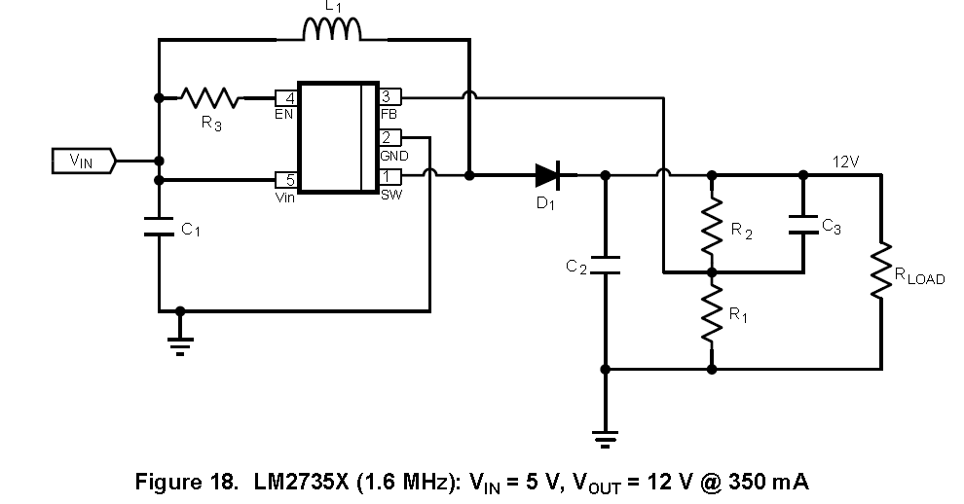

 |  |  |  |  |  |  |  |  |  |  | Vout Calculation
 |  |  |  |  |  |  |  |  |  |  | Vout | 8 | 8 | 12 | 8.283 | 8.032 | V
 |  |  |  |  |  |  |  |  |  |  | Vref | 1.255 | 1.255 | 1.255 | 1.255 | 1.255 | V
 |  |  |  |  |  |  |  |  |  |  | R1 | 11 | 10 | 10.2 | 10 | 10 | KΩ
 |  |  |  |  |  |  |  |  |  |  | R2 | 59.12 | 53.75 | 87.33 | 56.00 | 54.00 | KΩ
 |  |  |  |  |  |  |  |  |  |  | Fzero | 5 | 5 | 5 | KHz
 |  |  |  |  |  |  |  |  |  |  | C3 | 0.53869065121 | 0.59255971633 | 0.36467625495 | nF

 | Function | PN | Vendor | Description | Cost[$] | Cost[\] | Agency
 | Boost | LM2735XMF | TI | 1.6-MHz Space-Efficient Boost and SEPIC DC-DC Regulator 24V 2.1A |  | 2,850 | ICbanQ
 |  | STPS120M | ST | 1.0 Amp 20 Volt |  | 520 | ICbanQ
 |  | MSS5131-153ML | Coilcraft | INDUCTOR, PWR, 15UH, 1.5A, 20%,32MHZ |  | 2,150 | ICbanQ

RS-232
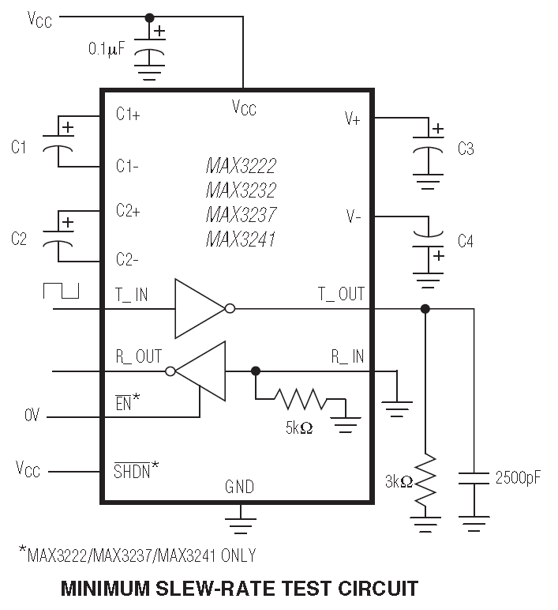
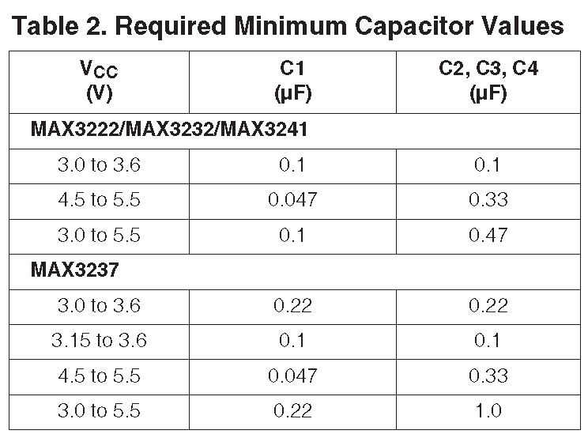
MAX3232ESE
 | 3.0V to 5.5V, Low-Power, up to 1Mbps, True RS-232 Transceivers Using Four 0.1μF External Capacitors

Current
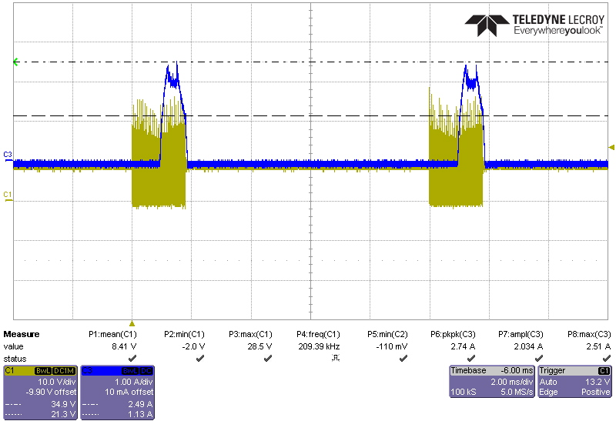
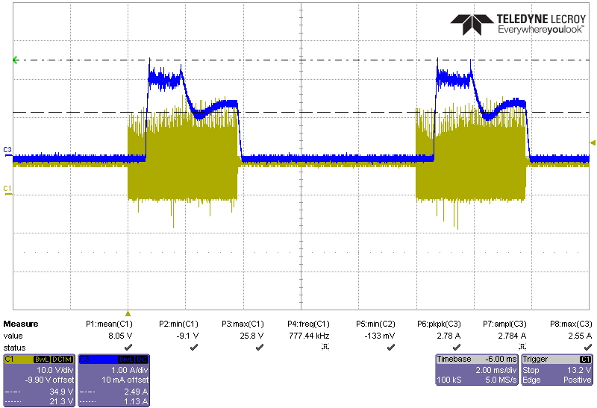
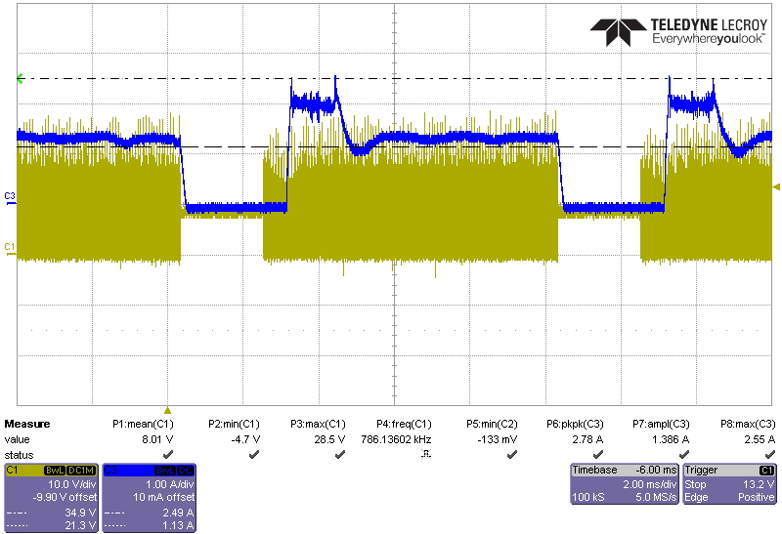
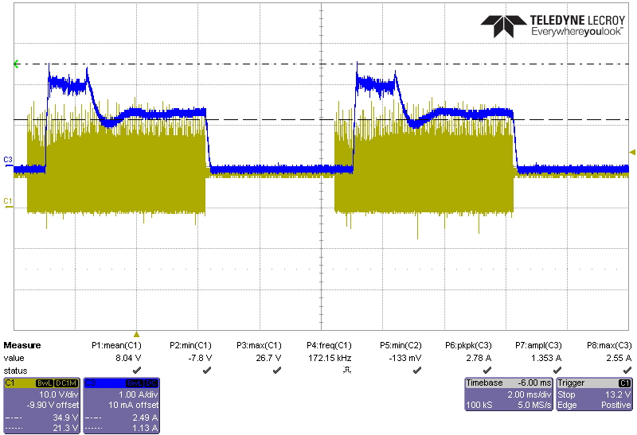
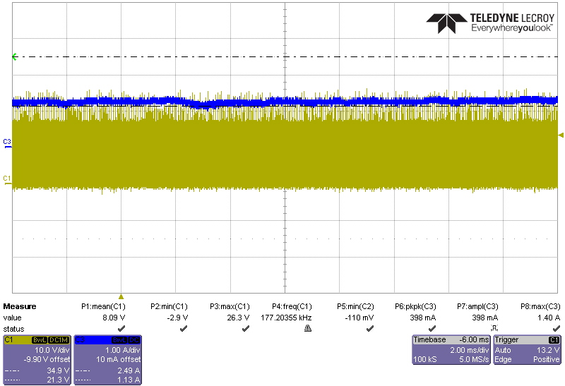
LED Current
 | V | 3.3 | 3.3 | V
 | R | 470 | 410 | Ω
 | I | 7.02 | 8.05 | mA | DVM 측정치
 |  |  |  |  | OFF | 0.31 | mA
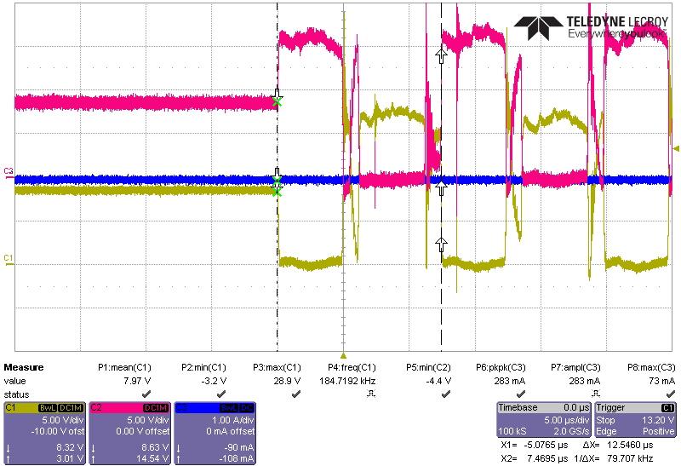
 |  |  |  |  | ON | 18.16 | mA
 |  |  |  |  | Plasma On |  |  | 760 | 1200 | 1500 | 4V Power | 8V current
 |  |  |  |  | 1 | 320 | mA | 2.38 | 3.75 | 4.69 | 1280 | 160
 |  |  |  |  | 2 | 640 | mA | 1.19 | 1.88 | 2.34 | 2560 | 320
 |  |  |  |  | 3 | 960 | mA | 0.79 | 1.25 | 1.56 | 3840 | 480
 |  |  |  |  | 4 | 1280 | mA | 0.59 | 0.94 | 1.17 | 5120 | 640
 |  |  |  |  | 5 | 1600 | mA | 0.48 | 0.75 | 0.94 | 6400 | 800

